leukaemia_cll_m17
Chronic Lymphocytic Leukaemia (C91.1): 2015-2017

Average Number of Deaths Per Year and Age-Specific Mortality Rates per 100,000 Population, UK

Age Range | Female Deaths | Male Deaths | Female Rates | Male Rates
0 to 04 | 0 | 0 | 0.0 | 0.0
05 to 09 | 0 | 0 | 0.0 | 0.0
10 to 14 | 0 | 0 | 0.0 | 0.0
15 to 19 | 0 | 0 | 0.0 | 0.0
20 to 24 | 0 | 0 | 0.0 | 0.0
25 to 29 | 0 | 0 | 0.0 | 0.0
30 to 34 | 0 | 0 | 0.0 | 0.0
35 to 39 | 0 | 0 | 0.0 | 0.0
40 to 44 | 0 | 0 | 0.0 | 0.0
45 to 49 | 1 | 2 | 0.0 | 0.1
50 to 54 | 0 | 5 | 0.0 | 0.2
55 to 59 | 3 | 11 | 0.1 | 0.5
60 to 64 | 9 | 26 | 0.5 | 1.5
65 to 69 | 24 | 58 | 1.3 | 3.3
70 to 74 | 32 | 72 | 2.1 | 5.2
75 to 79 | 40 | 102 | 3.4 | 10.3
80 to 84 | 76 | 129 | 8.4 | 18.6
85 to 89 | 100 | 118 | 16.3 | 31.1
90+ | 95 | 84 | 23.9 | 48.9
All Ages | 380 | 607 | 1.0 | 2.4

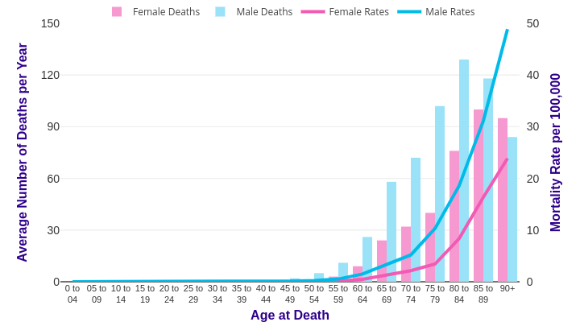

Source: cruk.org/cancerstats

You are welcome to reuse this Cancer Research UK statistics content for your own work.
Credit us as authors by referencing Cancer Research UK as the source.
Suggested style: Cancer Research UK, full URL of the page, Accessed [month] [year].

